16,64QAM
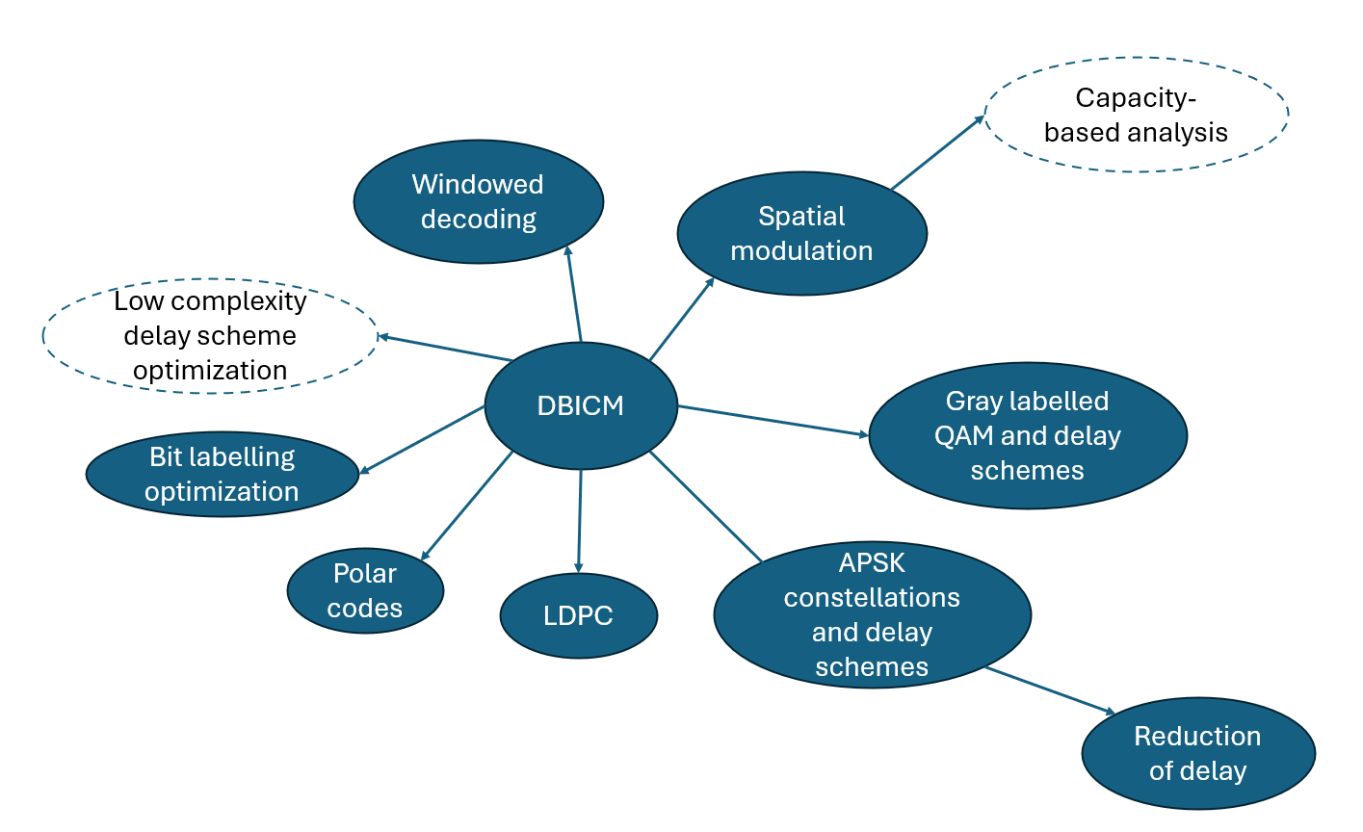
Gray labelled 16 QAM (2dB EsNo)

Delay Scheme | Nearest neighbour 1/HMMSED | Nearest neighbour EXP | All 1/HMMSED | All EXP | Capacity (0.001 accuracy) - Need to recheck | Capacity(2nd attempt)

'0011' | 2.03125 | 0.77269614739 | 4.1658653846 | 2.41858341871255 | 1.25901533673075 | 1.2589911766
'1100' | 2.03125 | 0.77269614739 | 4.1658653846 | 2.41858341871255 | 1.26037877245806 | 1.2592253934
'1011' | 2.03125 | 0.77269614739 | 4.6913728632 | 2.80594816781244 | 1.29932896506899 | 1.3004798546
'0010' | 2.03125 | 0.77269614739 | 4.4699519231 | 2.55502391436026 | 1.29971116402296 | 1.3011000953
'0111' | 1.9878472222 | 0.73640648542 | 4.9242788462 | 2.95395273620700 | 1.29980021195055 | 1.3017483073
'1000' | 2.03125 | 0.77269614739 | 4.4699519231 | 2.55502391436026 | 1.30009703484244 | 1.3005385441
'1101' | 1.9878472222 | 0.73640648542 | 4.9242788462 | 2.95395273620700 | 1.30102783831727 | 1.3009230993
'0001' | 1.9878472222 | 0.73640648542 | 4.1985844017 | 2.36635336729689 | 1.30121956404851 | 1.3008533064
'0100' | 1.9878472222 | 0.73640648542 | 4.1985844017 | 2.36635336729689 | 1.30141980274656 | 1.301572713
'1110' | 2.03125 | 0.77269614739 | 4.6913728632 | 2.80594816781244 | 1.30260759474909 | 1.2985724695
'1001' | 1.9878472222 | 0.73640648542 | 4.2283653846 | 2.38666824194011 | 1.34135837812926 | 1.3424754534
0101' | 1.9444444444 | 0.70011682346 | 4.3223824786 | 2.45083978820309 | 1.34197686915133 | 1.3433701591
'0110' | 1.9878472222 | 0.73640648542 | 4.2283653846 | 2.38666824194011 | 1.34271268805413 | 1.341588688
'1010' | 2.03125 | 0.77269614739 | 4.2454594017 | 2.36950783086548 | 1.34387040601005 | 1.3398429573
'0000' | 2.03125 | 0.77269614739 | 5.7622863248 | 3.60656166152688 | BICM Capacity | 1.2583061366
'1111' | 2.03125 | 0.77269614739 | 5.7622863248 | 3.60656166152688 | BICM Capacity | 1.2583061366

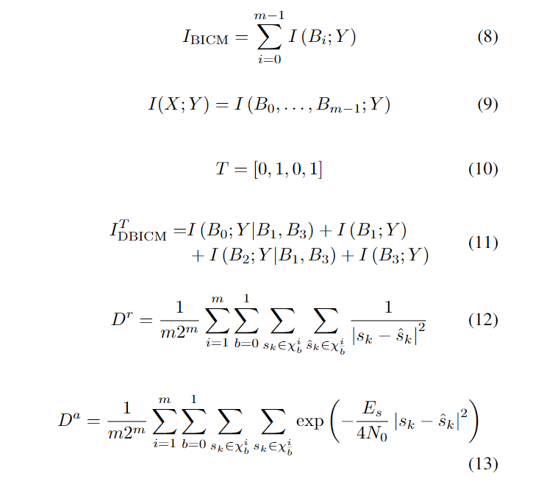

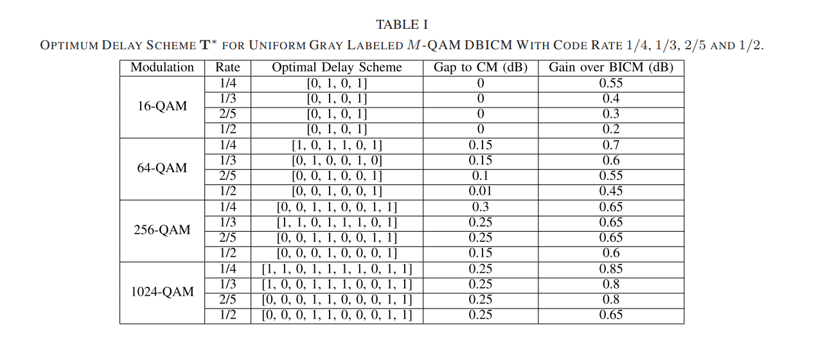

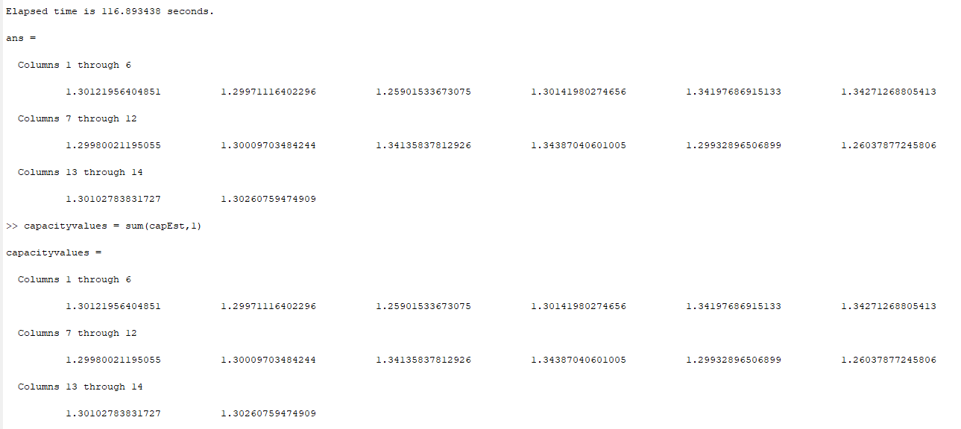

 |  |  |  |  | Y. Liao, M. Qiu, and J. Yuan, “Design and analysis of delayed bit-interleaved coded modulation with ldpc codes,” IEEE Transactions on Communications, vol. 69, no. 6, pp. 3556–3571, 2021.

 | 64-QAM Gray labelled (Constellation constrained capacity at 1/2 rate is 9 dB EsNo)
 | Delay Scheme | Nearest neighbour 1/HMMSED | Capacity (2dB - EsNo) | Nearest neighbour Exp (2dB - EsNo) | Nearest neighbour Exp (9dB - EsNo)
 | '001001' | 6.5260416667 | 1.2464926379 | 0.83086581957 | 0.53647313392
 | '001101' | 6.6080729167 | 1.2866984115 | 0.84391374638 | 0.55400630024
 | '101001' | 6.6080729167 | 1.286872311 | 0.84391374638 | 0.55400630024
 | '001011' | 6.6193105159 | 1.2719655649 | 0.82040385819 | 0.55672064996
 | '011001' | 6.6193105159 | 1.2718208809 | 0.82040385819 | 0.55672064996
 | '001010' | 6.6832986111 | 1.280222274 | 0.83071718693 | 0.56872148549
 | '010001' | 6.6832986111 | 1.2816486465 | 0.83071718693 | 0.56872148549
 | '101101' | 6.6901041667 | 1.3292800451 | 0.85696167319 | 0.57153946655
 | '011101' | 6.7013417659 | 1.3112045033 | 0.833451785 | 0.57425381628
 | '101011' | 6.7013417659 | 1.3137791345 | 0.833451785 | 0.57425381628
 | '011011' | 6.7125793651 | 1.295717578 | 0.80994189681 | 0.576968166
 | '000001' | 6.7296006944 | 1.2099888584 | 0.85623512332 | 0.57792381785
 | '001000' | 6.7296006944 | 1.2120847646 | 0.85623512332 | 0.57792381785
 | '001100' | 6.7296006944 | 1.2653482201 | 0.85623512332 | 0.57792381785
 | '001110' | 6.7296006944 | 1.2559008383 | 0.85623512332 | 0.57792381785
 | '001111' | 6.7296006944 | 1.2125119048 | 0.85623512332 | 0.57792381785
 | '100001' | 6.7296006944 | 1.2677650203 | 0.85623512332 | 0.57792381785
 | '110001' | 6.7296006944 | 1.2535146034 | 0.85623512332 | 0.57792381785
 | '111001' | 6.7296006944 | 1.2102627339 | 0.85623512332 | 0.57792381785
 | '010101' | 6.7653298611 | 1.3237906252 | 0.84376511374 | 0.58625465181
 | '101010' | 6.7653298611 | 1.3198350448 | 0.84376511374 | 0.58625465181
 | '010011' | 6.7765674603 | 1.3061553894 | 0.82025522555 | 0.58896900153
 | '011010' | 6.7765674603 | 1.3058949732 | 0.82025522555 | 0.58896900153
 | '000101' | 6.8116319444 | 1.2504856115 | 0.86928305013 | 0.59545698417
 | '100101' | 6.8116319444 | 1.3052490167 | 0.86928305013 | 0.59545698417
 | '101000' | 6.8116319444 | 1.2507999655 | 0.86928305013 | 0.59545698417
 | '101100' | 6.8116319444 | 1.3058311903 | 0.86928305013 | 0.59545698417
 | '101110' | 6.8116319444 | 1.2939016273 | 0.86928305013 | 0.59545698417
 | '101111' | 6.8116319444 | 1.2525096345 | 0.86928305013 | 0.59545698417
 | '110101' | 6.8116319444 | 1.2940529998 | 0.86928305013 | 0.59545698417
 | '111101' | 6.8116319444 | 1.2527835606 | 0.86928305013 | 0.59545698417
 | '000011' | 6.8228695437 | 1.2380598403 | 0.84577316195 | 0.59817133389
 | '011000' | 6.8228695437 | 1.2350510203 | 0.84577316195 | 0.59817133389
 | '011100' | 6.8228695437 | 1.2915307778 | 0.84577316195 | 0.59817133389
 | '011110' | 6.8228695437 | 1.2795540949 | 0.84577316195 | 0.59817133389
 | '011111' | 6.8228695437 | 1.2379278902 | 0.84577316195 | 0.59817133389
 | '100011' | 6.8228695437 | 1.2913464217 | 0.84577316195 | 0.59817133389
 | '110011' | 6.8228695437 | 1.2829459289 | 0.84577316195 | 0.59817133389
 | '111011' | 6.8228695437 | 1.2384368886 | 0.84577316195 | 0.59817133389
 | '010010' | 6.8405555556 | 1.3135558842 | 0.83056855429 | 0.60096983707
 | '000010' | 6.8868576389 | 1.2437770826 | 0.85608649069 | 0.61017216942
 | '010000' | 6.8868576389 | 1.242731647 | 0.85608649069 | 0.61017216942
 | '010100' | 6.8868576389 | 1.2955674968 | 0.85608649069 | 0.61017216942
 | '010110' | 6.8868576389 | 1.2859381879 | 0.85608649069 | 0.61017216942
 | '010111' | 6.8868576389 | 1.2460785887 | 0.85608649069 | 0.61017216942
 | '100010' | 6.8868576389 | 1.2992365295 | 0.85608649069 | 0.61017216942
 | '110010' | 6.8868576389 | 1.2889081052 | 0.85608649069 | 0.61017216942
 | '111010' | 6.8868576389 | 1.2448418701 | 0.85608649069 | 0.61017216942
 | '000000' | 6.9331597222 | 1.1754861115 | 0.88160442708 | 0.61937450178
 | '000100' | 6.9331597222 | 1.2294161562 | 0.88160442708 | 0.61937450178
 | '000110' | 6.9331597222 | 1.2172267369 | 0.88160442708 | 0.61937450178
 | '000111' | 6.9331597222 | 1.1762221927 | 0.88160442708 | 0.61937450178
 | '100000' | 6.9331597222 | 1.2288587781 | 0.88160442708 | 0.61937450178
 | '100100' | 6.9331597222 | 1.2870173253 | 0.88160442708 | 0.61937450178
 | '100110' | 6.9331597222 | 1.2750362064 | 0.88160442708 | 0.61937450178
 | '100111' | 6.9331597222 | 1.2307709508 | 0.88160442708 | 0.61937450178
 | '110000' | 6.9331597222 | 1.2173984104 | 0.88160442708 | 0.61937450178
 | '110100' | 6.9331597222 | 1.2740260431 | 0.88160442708 | 0.61937450178
 | '110110' | 6.9331597222 | 1.2638097756 | 0.88160442708 | 0.61937450178
 | '110111' | 6.9331597222 | 1.2167233302 | 0.88160442708 | 0.61937450178
 | '111000' | 6.9331597222 | 1.1769344414 | 0.88160442708 | 0.61937450178
 | '111100' | 6.9331597222 | 1.2305649621 | 0.88160442708 | 0.61937450178
 | '111110' | 6.9331597222 | 1.2181170665 | 0.88160442708 | 0.61937450178
 | '111111' | 6.9331597222 | 1.1754861115 | 0.88160442708 | 0.61937450178

